Intro
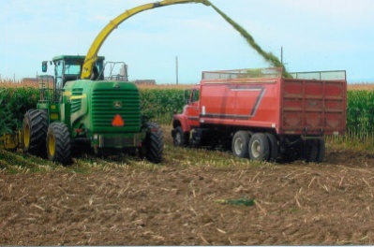
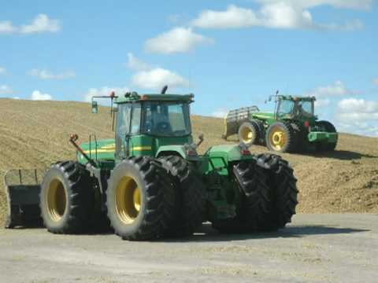
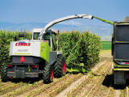
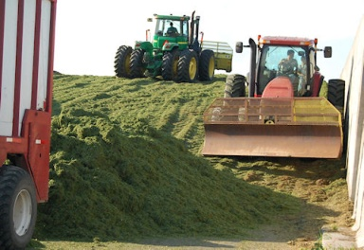
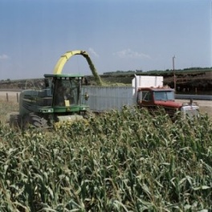
 |  | KSU-SilageValue.xls -- | A spreadsheet program to estimate the value corn or grain sorghum silage based upon the price of grain, harvesting costs, and nutrients removed.

 | Version -- 6.5.12

CONCEPTUAL APPROACH
The concept behind the formulas in this spreadsheet is to find the value of silage where the crop producer is indifferent between harvesting the silage as grain or silage. This approach does not factor in potential value associated with maintaining residue other than nutrient removal and thus if erosion is a concern the values may underestimate what is needed for the silage.

Because of the approach used here, calculated values may not be appropriate for drought stressed or hail damaged corn where grain harvest is not an option. However, calculated values can still help producers determine upper and lower bounds as to what might be reasonable. Additionally, what a livestock producer is willing to pay, based on costs of alternative feedstuffs or harvesting costs if they are buying silage "in the field", are not factored into the calculations.

INPUTS vs. CALCULATED VALUES
In the various sheets all blue numbers are inputs and all black numbers are calculated from these inputs. The spreadsheet automatically recalculates every time an additional input is entered. Thus, it is important to wait until all data have been entered and reviewed before interpreting any of the calculated results (i.e., black numbers).


Developed by: |  | Kevin C. Dhuyvetter
 |  | Extension Agricultural Economist
 |  | Kansas State University

 |  | voice: (785) 532-3527
 |  | FAX: (785) 532-6925
 |  | email: kcd@ksu.edu
 |  | website: www.agmanager.info

Copyright 2012 by Dhuyvetter. All rights reserved.

